Python_Tree_Reference
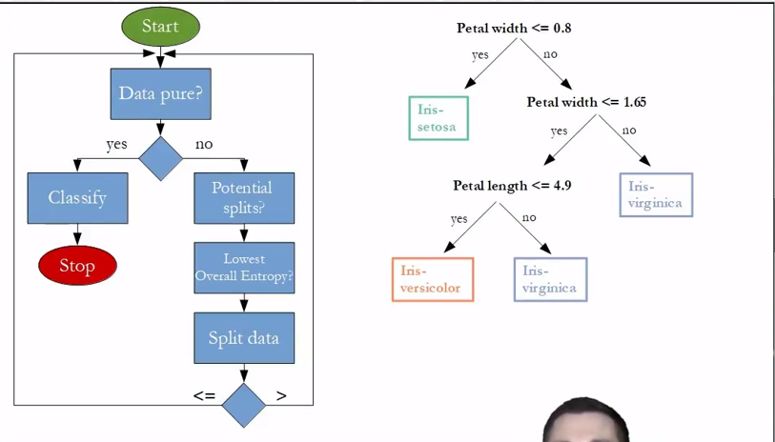
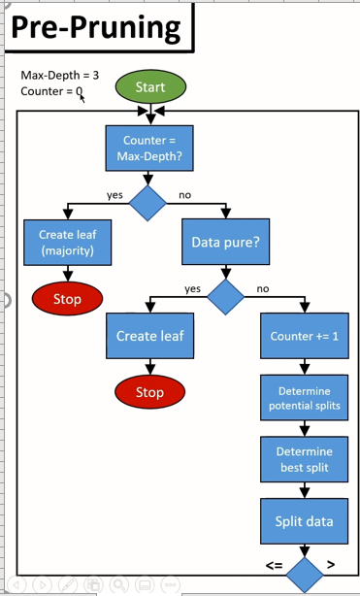
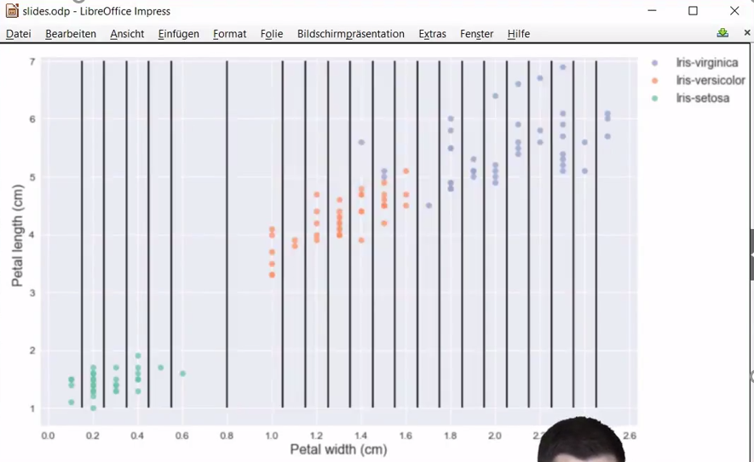

Final Tree Steps - Decision_Tree_Algorithm Function

Petal width <= 0.8

 |  | Yes |  |  | No

'Setosa'
Petal width <= 1.65

 |  |  | Yes |  |  |  | No

Petal length <= 4.95
Petal length <= 4.85

 |  |  |  |  |  |  |  |  | No
 | Yes |  |  | No |  |  | Yes

'Versicolor'
'Virginica'
Sepal width <= 3.1
Petal width <= 1.55

'Virginica'
 |  |  |  |  |  |  |  |  | Potential splits - step-4 of helper functions
 |  |  |  |  |  |  | Yes | No
 |  |  | Yes |  |  | No
'Versicolor'
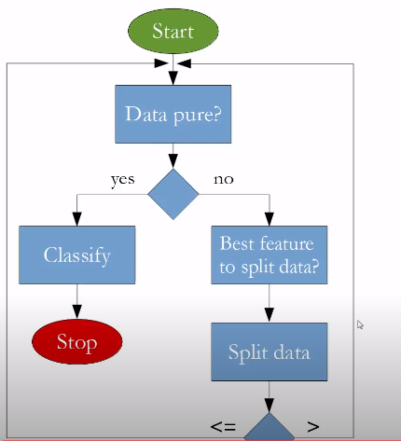
Virginica'
'Versicolor'

CART_Classification_Part_3
Total Population - 18
(Owning Home)
Dataset |  |  |  | Owning Home - Split |  |  |  | Owning Home - Split |  |  |  | Owning Home - Split
Owning Home | Income Bracket | Credit Score | Default - Y | Owning Home | Default - Y | Count of Owning Home |  | Count of Owning Home | Column Labels |  |  | Count of Owning Home | Column Labels
 |  |  |  | Non Home Owner | No | 3 |  | Row Labels | Yes | No | Grand Total | Row Labels | Yes | No | Grand Total
 |  |  |  |  | Yes | 2 |  | Home Owner | 50.00% | 50.00% | 100.00% | Home Owner | 4 | 4 | 8
Non Home Owner | High | Average | No | Non Home Owner Total |  | 5 |  | Non Home Owner | 60.00% | 40.00% | 100.00% | Non Home Owner | 6 | 4 | 10
 |  |  |  | Grand Total |  | 5 |  | Grand Total | 55.56% | 44.44% | 100.00% | Grand Total | 10 | 8 | 18

Home Owner - 8
Default = 4
Non Home Owner - 10
Default = 6

Non Home Owner | Medium | Average | Yes
 |  |  |  |  |  |  |  | Entropy for Home Owner Node- | 100%
 |  |  |  | Entropy for Non Home Owner Node- |  | 97% |  | Entropy for Non Home Owner Node- | 97%
Non Home Owner | Medium | Average | No
 |  |  |  |  |  |  |  | Weighted average Entropy for Owning Home Split - | 98%
 |  |  |  | Weighted average Entropy for Owning Home Split - |  | 97%
 |  |  |  |  |  |  |  | Information Gain | -1.29%
Non Home Owner | High | Average | Yes | Information Gain |  | 0.00% | No information gain after spliting to next level - hence we should not add this node to existing tree

Non Home Owner | High | Average | No
Low Income
 |  | Entropy for base model | 97%
 |  | Note - Entropy formula is - (-p*logp-q*logq)

Yes
Default - 7
Total - 7
No

High
Default - 2
Total - 6
Medium
Default - 1
Total - 5

Below Average Credit Score

Yes
Default - 4
Total - 4
No

High
Default - 2
Total - 4
Average
Default - 4
Total - 10

 |  |  |  |  |  |  | Note - There is a pure node in Credit Score with low category, meaning individuals with low credit score will always default - so we start building a tree with this category and then further split

 |  |  |  | Final Note - The process to start the building the tree is to start from pure nodes first - root node should be from higher information gain predictor
Low Income

Yes
Default - 7 (Reject)
Total - 7
No
 | Step - 1 | Build the first iteration with the pure nodes - if exist
 | Step - 2 | Remove those rows from the first iteration and repeat the steps for rest of the data
 | Step - 3 | In the next iteration, Spliting based on owning home giving max information gain with a pure node
 | Step - 4 | In the next iteration, No information gain after spliting to next level - hence we should not add this node to existing tree

Below Average Credit Score

Yes
Default - 4 (Reject)
Total - 4
No

Home Owner

Yes
Default = 0 (Approve)
Total - 4
No

High Credit Rating

Yes
Default = 0 (Approve)
Total - 2
No
Default = 2 (Reject)
Total - 8

CART_Classification_Part_2
Total Population - 18
(Owning Home)
Dataset |  |  |  | Owning Home - Split |  |  |  | Owning Home - Split |  |  |  | Owning Home - Split
Owning Home | Income Bracket | Credit Score | Default - Y | Owning Home | Default - Y | Count of Owning Home |  | Count of Owning Home | Column Labels |  |  | Count of Owning Home | Column Labels
 |  |  |  | Home Owner | No | 4 |  | Row Labels | Yes | No | Grand Total | Row Labels | Yes | No | Grand Total
Home Owner | Medium | Average | No | Home Owner Total |  | 4 |  | Home Owner | 50.00% | 50.00% | 100.00% | Home Owner | 4 | 4 | 8
Non Home Owner | High | Average | No | Non Home Owner | No | 4 |  | Non Home Owner | 60.00% | 40.00% | 100.00% | Non Home Owner | 6 | 4 | 10
 |  |  |  |  | Yes | 2 |  | Grand Total | 55.56% | 44.44% | 100.00% | Grand Total | 10 | 8 | 18
Home Owner | Medium | Average | No | Non Home Owner Total |  | 6
Home Owner - 8
Default = 4
Non Home Owner - 10
Default = 6
 |  |  |  | Grand Total |  | 10

Non Home Owner | Medium | Average | Yes
Home Owner | High | High | No |  |  |  |  | Entropy for Home Owner Node- | 100%
 |  |  |  | Entropy for Home Owner Node- |  | 0% | Pure Node | Entropy for Non Home Owner Node- | 97%
Non Home Owner | Medium | Average | No | Entropy for Non Home Owner Node- |  | 91%
Non Home Owner | High | High | No |  |  |  |  | Weighted average Entropy for Owning Home Split - | 98%
 |  |  |  | Weighted average Entropy for Owning Home Split - |  | 54%
Home Owner | Medium | Average | No |  |  |  |  | Information Gain | -26.19%
Non Home Owner | High | Average | Yes | Information Gain |  | 17.80%

Low Income
Non Home Owner | High | Average | No | Income Bracket - Split
 |  |  |  | Income Bracket | Default - Y | Count of Owning Home
 |  | Entropy for base model | 72% | High | No | 4
 |  | Note - Entropy formula is - (-p*logp-q*logq) |  |  | Yes | 1
 |  |  |  | High Total |  | 5
 |  |  |  | Medium | No | 4
 |  |  |  |  | Yes | 1
Yes
Default - 7
Total - 7
No
 |  |  |  | Medium Total |  | 5
 |  |  |  | Grand Total |  | 10

 |  |  |  | Entropy for Income Bracket Node - (High) |  | 72%
 |  |  |  | Entropy for Income Bracket Node - (Medium) |  | 72%
High
Default - 2
Total - 6
Medium
Default - 1
Total - 5
 |  |  |  | Weighted average Entropy for Owning Home Split - |  | 72%

 |  |  |  | Information Gain |  | 0.00%

 |  |  |  |  |  |  | Income Bracket gives the maximum information gain - hence the root node should start from here
 |  |  |  |  |  |  | Note - There is a pure node in income bracket with low category, meaning individuals with low income will always default - so we start building a tree with this category and then further split
 |  |  |  | Credit Score - Split
 |  |  |  | Credit Score | Default - Y | Count of Owning Home
Below Average Credit Score
 |  |  |  | Average | No | 6
 |  |  |  |  | Yes | 2
 |  |  |  | Average Total |  | 8
 |  |  |  | High | No | 2
 |  |  |  | High Total |  | 2
 |  |  |  | Grand Total |  | 10
Yes
Default - 4
Total - 4
No

High
Default - 2
Total - 4
Average
Default - 4
Total - 10
 |  |  |  | Entropy for Credit Score Node - (Average) |  | 81%
 |  |  |  | Entropy for Credit Score Node- (High) |  | 0% | Pure Node

 |  |  |  | Weighted average Entropy for Owning Home Split - |  | 65%

 |  |  |  | Information Gain |  | 7.29%

 |  |  |  |  |  |  | Note - There is a pure node in Credit Score with low category, meaning individuals with low credit score will always default - so we start building a tree with this category and then further split

 |  |  |  | Final Note - The process to start the building the tree is to start from pure nodes first - root node should be from higher information gain predictor
Low Income

Yes
Default - 7 (Reject)
Total - 7
No
 | Step - 1 | Build the first iteration with the pure nodes - if exist
 | Step - 2 | Remove those rows from the first iteration and repeat the steps for rest of the data
 | Step - 3 | In the next iteration, Spliting based on owning home and Credit Score are giving max information gain with a pure node

Below Average Credit Score

Yes
Default - 4 (Reject)
Total - 4
No

Home Owner

Yes
Default = 0 (Approve)
Total - 4
No

High Credit Rating

Yes
Default = 0 (Approve)
Total - 2
No
Default = 2 (Reject)
Total - 8

CART_Classification_Part_1
Total Population - 18
(Owning Home)
Dataset |  |  |  | Owning Home - Split |  |  |  | Owning Home - Split |  |  |  | Owning Home - Split
Owning Home | Income Bracket | Credit Score | Default - Y | Owning Home | Default - Y | Count of Owning Home |  | Count of Owning Home | Column Labels |  |  | Count of Owning Home | Column Labels
Home Owner | Low | Below Average | Yes | Home Owner | Yes | 4 |  | Row Labels | Yes | No | Grand Total | Row Labels | Yes | No | Grand Total
Home Owner | Medium | Average | No |  | No | 4 |  | Home Owner | 50.00% | 50.00% | 100.00% | Home Owner | 4 | 4 | 8
Non Home Owner | High | Average | No | Home Owner Total |  | 8 |  | Non Home Owner | 60.00% | 40.00% | 100.00% | Non Home Owner | 6 | 4 | 10
Non Home Owner | Low | High | Yes | Non Home Owner | Yes | 6 |  | Grand Total | 55.56% | 44.44% | 100.00% | Grand Total | 10 | 8 | 18
Home Owner | Medium | Average | No |  | No | 4
Home Owner - 8
Default = 4
Non Home Owner - 10
Default = 6
Home Owner | High | Below Average | Yes | Non Home Owner Total |  | 10
Non Home Owner | Low | Below Average | Yes | Grand Total |  | 18
Non Home Owner | Medium | Average | Yes
Home Owner | High | High | No |  |  |  |  | Entropy for Home Owner Node- | 100%
Home Owner | Low | High | Yes | Entropy for Home Owner Node- |  | 100% | Here entropy is 1 because within Home owners, the proportion of Default population is same - hence no information gain | Entropy for Non Home Owner Node- | 97%
Non Home Owner | Medium | Average | No | Entropy for Non Home Owner Node- |  | 97%
Non Home Owner | High | High | No |  |  |  |  | Weighted average Entropy for Owning Home Split - | 98%
Home Owner | Low | Below Average | Yes | Weighted average Entropy for Owning Home Split - |  | 98% | Its look very high - which means we owning home does not tell much whether an individual will default or mot
Home Owner | Medium | Average | No |  |  |  |  | Information Gain | 0.72%
Non Home Owner | High | Average | Yes | Information Gain |  | 0.72%
Non Home Owner | Low | Average | Yes
Non Home Owner | Low | Average | Yes
Non Home Owner | High | Average | No | Income Bracket - Split
Low Income
 |  |  |  | Income Bracket | Default - Y | Count of Default - Y
 |  | Entropy for base model | 99% | High | Yes | 2
 |  | Note - Entropy formula is - (-p*logp-q*logq) |  |  | No | 4
 |  |  |  | High Total |  | 6
 |  |  |  | Low | Yes | 7
 |  |  |  | Low Total |  | 7
Yes
Default - 7
Total - 7
No
 |  |  |  | Medium | Yes | 1
 |  |  |  |  | No | 4
 |  |  |  | Medium Total |  | 5
 |  |  |  | Grand Total |  | 18

High
Default - 2
Total - 6
Medium
Default - 1
Total - 5
 |  |  |  | Entropy for Income Bracket Node - (High) |  | 92%
 |  |  |  | Entropy for Income Bracket Node - (Low) |  | 0% | Pure Node
 |  |  |  | Entropy for Income Bracket Node - (Medium) |  | 72%
 |  |  |  | Weighted average Entropy for Owning Home Split - |  | 51%

 |  |  |  | Information Gain |  | 48.44% | Income Bracket gives the maximum information gain - hence the root node should start from here
 |  |  |  |  |  |  | Note - There is a pure node in income bracket with low category, meaning individuals with low income will always default - so we start building a tree with this category and then further split

Below Average Credit Score
 |  |  |  | Credit Score - Split
 |  |  |  | Credit Score | Default - Y | Count of Default - Y
 |  |  |  | Average | Yes | 4
 |  |  |  |  | No | 6
 |  |  |  | Average Total |  | 10
Yes
Default - 4
Total - 4
No
 |  |  |  | Below Average | Yes | 4
 |  |  |  | Below Average Total |  | 4
 |  |  |  | High | Yes | 2
 |  |  |  |  | No | 2
 |  |  |  | High Total |  | 4
 |  |  |  | Grand Total |  | 18

High
Default - 2
Total - 4
Average
Default - 4
Total - 10

 |  |  |  | Entropy for Credit Score Node - (Average) |  | 97%
 |  |  |  | Entropy for Credit Score Node- (Below Average) |  | 0% | Pure Node
 |  |  |  | Entropy for Credit Score Node- (High) |  | 100%
 |  |  |  | Weighted average Entropy for Owning Home Split - |  | 76%

 |  |  |  | Information Gain |  | 22.94%
 |  |  |  |  |  |  | Note - There is a pure node in Credit Score with low category, meaning individuals with low credit score will always default - so we start building a tree with this category and then further split

 |  |  |  | Final Note - The process to start the building the tree is to start from pure nodes first - root node should be from higher information gain predictor
Low Income

Yes
Default - 7
Total - 7
No

Below Average Credit Score

Yes
Default - 4
Total - 4
No

 |  |  |  |  | Step - 1 | Build the first iteration with the pure nodes - if exist
 |  |  |  |  | Step - 2 | Remove those rows from the first iteration and repeat the steps for rest of the data

CART_Regression_Example
Dataset |  |  | Base model |  | 1-Node Tree (labs) |  |  |  |  |  |  | Split criteria
Tutorials | labs | Exam - Y | Y-bar | Error | Predicted-Y | Error | Tutorials - Split
all | complete | 74 | 45.6 | 28.4 | 65.88 | 8.13 | Row Labels | Count of Tutorials | Average of Exam | StdDev of Exam | Weighted Average of SDs | The objective is to pick the best variable for split from root node
some | partial | 23 | 45.6 | 22.6 | 22.43 | 0.57 | all | 6 | 70 | 6.7 | 13.07
all | complete | 61 | 45.6 | 15.4 | 65.88 | 4.88 | some | 9 | 30 | 17.3 |  | Step 1- | Lets start with tutorials variable
all | complete | 74 | 45.6 | 28.4 | 65.88 | 8.13 | Grand Total | 15 | 46 | 24.5
some | partial | 25 | 45.6 | 20.6 | 22.43 | 2.57 |  |  |  |  |  | step -2 | Calculate standard deviation (variance) for each its category - This is will be variance/SD for the node
all | complete | 61 | 45.6 | 15.4 | 65.88 | 4.88 |  |  |  | Tutorials standard deviation Reduction - | 11.44
some | complete | 54 | 45.6 | 8.4 | 65.88 | 11.88 |  |  |  |  |  | step -3 | We need to calculate variance/SD for the split as well - for that we need to calculate the weighted avg of these standard deviations for tutorials variable as a whole
some | partial | 42 | 45.6 | 3.6 | 22.43 | 19.57 | Labs - Split
some | complete | 55 | 45.6 | 9.4 | 65.88 | 10.88 | Row Labels | Count of Exam | Average of Exam | StdDev of Exam |  | step-4 | 13.07 is the weighted average of the tutorials variable
all | complete | 75 | 45.6 | 29.4 | 65.88 | 9.13 | complete | 8 | 66 | 9.05 | 10.19
some | partial | 13 | 45.6 | 32.6 | 22.43 | 9.43 | partial | 7 | 22 | 11.49 |  | step-5 | Since we know the overall SD - 24.51, now we see how much SD we reduced after spliting the tutorials variables - this should be as high as possible
all | complete | 73 | 45.6 | 27.4 | 65.88 | 7.13 | Grand Total | 15 | 46 | 24.51
some | partial | 31 | 45.6 | 14.6 | 22.43 | 8.57 |  |  |  |  |  | step-6 | We repeat the step-2 to step-5 for variable Labs as well and calculate SDR
some | partial | 12 | 45.6 | 33.6 | 22.43 | 10.43 |  |  |  | Labs standard deviation Reduction - | 14.33
some | partial | 11 | 45.6 | 34.6 | 22.43 | 11.43 |  |  |  |  |  | step-7 | We can clearly see that labs is reducing more standard deviation than tutorials - hence creating more homogenous groups within the nodes and after spliting

 | Mean | 45.6 |  | 21.63 |  | 8.50 | MAE for base model | 21.63 |  |  |  | step-8 | Now, lets move to prediction - How can we predict the exam score without any variable/predictor?
 | SD | 24.51 |  |  |  |  | MAE for labs variable | 8.50
 |  |  |  |  |  |  |  |  |  |  |  | step-9 | Calculate the overall average of exam scores (45.6) - this is will be our prediction in case no predictors
 | Total | 684
 |  |  |  |  |  |  |  |  |  |  |  | step-10 | Based on the 45.6, calculate the MAE - 21.63 - accuracy score

 |  |  |  |  |  |  |  |  |  |  |  | step-11 | Now, we estimate the predictions based on our most important predictor - labs - Lets suppose we build 1-node tree
Total Population - 15
(labs)
Plotting the Tree - |  |  |  |  |  |  |  |  |  |  |  | step-12 | Calcuate the average value for each category of labs (here we have 2) and this is our prediction (in the leaf node) and same way calculate mean absolute error (MAE)

 |  |  |  |  |  |  |  |  |  |  |  | step-13 | We can clearly see that by splitting the root node by labs reduces the error significantly from 21.63 to 8.5

 |  |  |  |  |  |  |  |  |  |  |  | step-14 | We continue to do that for other variables in coming nodes and finish our tree

 |  |  |  |  |  |  |  |  |  |  |  | step-15 | See the plot of the tree
Complete - 8
Y - bar - 66
Parital - 7
Y - bar - 22

 |  |  |  |  |  |  |  |  |  |  |  | Questions - | How to split, when you have a continuous predictors?
 |  |  |  |  |  |  |  |  |  |  |  |  | Ans - 1) Start from a random number and split then calculate the SD/variance reduction from the overall SD/variance
 |  |  |  |  |  |  |  |  |  |  |  |  | 2) Do this step for each point of continuous variable and observe the points where we have minimum SD or maximum SDR

 |  |  |  |  |  |  |  |  |  |  |  |  | Note - the shortest route could be to divide the continuous predictors to categories (bins) and treat it as categorical variables

Information_Gain_Entropy
Gender | Target |  | Entropy | -plog(p) -(1-p)log(1-p) |  |  | Class | Target
F | Crkt |  |  |  |  |  | 9 | Crkt
F | Crkt |  | Here p and q is probability of success and failure respectively in that node. Entropy is also used with categorical target variable. It chooses the split which has lowest entropy compared to parent node and other splits. The lesser the entropy, the better it is. |  |  |  | 9 | Crkt
F | No Crkt |  | Calculate entropy of parent node |  |  |  | 9 | No Crkt
F | No Crkt |  | Calculate entropy of each individual node of split and calculate weighted average of all sub-nodes available in split. |  |  |  | 9 | No Crkt
F | No Crkt |  |  |  |  |  | 9 | No Crkt
Total Population - 30
(Gender)
Total Population - 30
(Class)
F | No Crkt |  |  |  |  |  | 9 | No Crkt
F | No Crkt |  |  |  |  |  | 9 | No Crkt
F | No Crkt |  |  |  |  |  | 9 | No Crkt
F | No Crkt |  |  |  |  |  | 9 | No Crkt
F | No Crkt |  |  |  |  |  | 9 | No Crkt
M | Crkt |  |  |  |  |  | 9 | Crkt
Female - 10
Play Crkt = 2
male - 20
Play Crkt = 13
class 9 - 14
Play Crkt = 6
class 10 - 16
Play Crkt = 9
M | Crkt |  |  |  |  |  | 9 | Crkt
M | Crkt |  |  |  |  |  | 9 | Crkt
M | Crkt |  |  |  |  |  | 9 | Crkt
M | Crkt |  |  |  |  |  | 10 | Crkt
M | Crkt | Entropy of Female node - | 0.72192809489 |  | Entropy of Male node - | 0.93406805538 | 10 | Crkt | Entropy for class 9 node - | 0.98522813603 | Entropy for class 10 node - | 0.98869940829
M | Crkt | Weighted entropy for split Gender | 0.86335473521 |  |  |  | 10 | Crkt | Weighted entropy for split Class | 0.98707948124
M | Crkt |  |  |  |  |  | 10 | Crkt
M | Crkt | Information Gain - | 1- entropy |  |  |  | 10 | Crkt | Information Gain - | 1- entropy
M | Crkt |  | 14% |  |  |  | 10 | Crkt |  | 1%
M | Crkt |  |  |  |  |  | 10 | Crkt
M | Crkt |  |  |  |  |  | 10 | Crkt
M | Crkt | ***** |  |  |  |  | 10 | Crkt
M | No Crkt | Entropy for the root node | 100% | Here 1 shows that it is a impure node. |  |  | 10 | No Crkt
M | No Crkt |  |  |  |  |  | 10 | No Crkt
M | No Crkt |  |  |  |  |  | 10 | No Crkt
M | No Crkt |  |  |  |  |  | 10 | No Crkt
M | No Crkt |  |  |  |  |  | 10 | No Crkt
M | No Crkt |  |  |  |  |  | 10 | No Crkt
M | No Crkt |  |  |  |  |  | 10 | No Crkt

Gini_Index
Gender | Target | Total | 30 |  |  | Class | Target |  |  | Total | 30
F | Crkt | Female | 10 |  |  | 9 | Crkt |  |  | Class -9 | 14
F | Crkt | Male | 20 |  |  | 9 | Crkt |  |  | Class-10 | 16
F | No Crkt |  |  |  |  | 9 | No Crkt
Total Population - 30
(Gender)
F | No Crkt |  |  |  |  | 9 | No Crkt
Total Population - 30
(Class)
F | No Crkt |  |  |  |  | 9 | No Crkt
F | No Crkt |  |  |  |  | 9 | No Crkt
F | No Crkt |  |  |  |  | 9 | No Crkt
F | No Crkt |  |  |  |  | 9 | No Crkt
F | No Crkt |  |  |  |  | 9 | No Crkt
F | No Crkt |  |  |  |  | 9 | No Crkt
Female - 10
Play Crkt = 2
male - 20
Play Crkt = 13
M | Crkt |  |  |  |  | 9 | Crkt
Class 9 - 14
Play Crkt = 6
class 10 - 16
Play Crkt = 9
M | Crkt |  |  |  |  | 9 | Crkt
M | Crkt |  |  |  |  | 9 | Crkt
M | Crkt | Percentage | 20% | Percentage | 65% | 9 | Crkt
M | Crkt |  |  |  |  | 10 | Crkt | Probability | 43% |  |  | 56%
M | Crkt | Gini - F | 68% | Gini - M | 55% | 10 | Crkt | Gini Score for each node | 51% |  |  | 51%
M | Crkt | Weighted Gini for split Gender | 0.59 |  |  | 10 | Crkt | Weighted Gini for class split | 0.51
M | Crkt |  |  |  |  | 10 | Crkt
M | Crkt |  |  |  |  | 10 | Crkt
M | Crkt | Gini formula - |  |  |  | 10 | Crkt
M | Crkt | Square(p)+Square(1-p) |  |  |  | 10 | Crkt
M | Crkt |  |  |  |  | 10 | Crkt
M | Crkt |  |  |  |  | 10 | Crkt
M | No Crkt | Above, you can see that Gini score for Split on Gender is higher than Split on Class, hence, the node split will take place on Gender |  |  |  | 10 | No Crkt
M | No Crkt |  |  |  |  | 10 | No Crkt
M | No Crkt |  |  |  |  | 10 | No Crkt
M | No Crkt | Gini Impurity = 1-Gini |  |  |  | 10 | No Crkt
M | No Crkt |  |  |  |  | 10 | No Crkt
M | No Crkt |  |  |  |  | 10 | No Crkt
M | No Crkt |  |  |  |  | 10 | No Crkt

